GENERAL
Tkinter
Tkinter is module used to develop GUI
We cant install the tkinter module using pip
We have to install it while downloading python itself

Starting an Empty GUI
import tkinter
window = tkinter.Tk() | Window is a variable
window.mainloop() | We can name it as per our convienience
 | Usually root is given as name of the variable instead window

 | In second line, we are assigning the variable -
 | - to get associated with class TK()
 | Second line is basically a constructor
 | Assigning class to a variable
 | In third line, we are calling the mainloop func in TK()
 | mainloop() is a method in Tk() class

 | But Tk() calss will be in the Tkinter library
 | So we are importing it in the first line

When we run the above code, we get this GUI
It will defaultly have tk as the name in the titlebar
Titlebar will also have minimize, maximize and close buttons.
We can also resize the window by using mouse
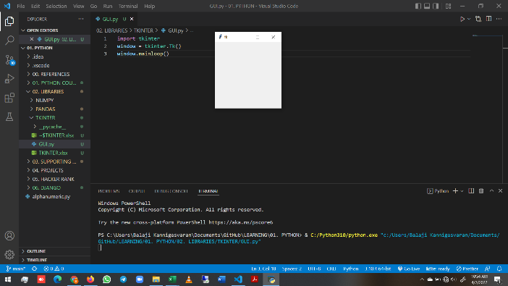

NOTE:
import tkinter --> start with small t when using python 3
import Tkinter --> start with Capital T when using python 2

I few do like this, we have to use tkinter in all functions
So changing the code a little bit
Both will yield same result
Old code | New code
import tkinter | from tkinter import *
window = tkinter.Tk() | window = Tk()
window.mainloop() | window.mainloop()

Widgets
Widgets available in Tkinter are as follows
Frame, Label, Entry, Text, Canvas, Button, Radiobutton,
Checkbutton, Scale, Listbox, Scrollbar, OptionMenu, Spinbox
LabelFrame and PanedWindow.

Widgets - Properties
Properties of the widgets are specified with keyword arguments.

Widgets - Positioning
Widgets are positioned with one of the geometry managers Place, Pack or Grid.
These managers can be called with methods place, pack, grid available in every Widget.

Widgets - Actions/ Events
Actions are bound to events by resources (e.g. keyword argument command) or with the method bind.

